Sheet1
 | Large Ashiko: 580 Piece Pattern 5 |  |  |  | Segments per Ring: 20 |  |  | Ring Thickness: 0.875 |  |  | Angle: 9.00°
 | Board |  | Segment | Diameter |  | Species
Row | Width | Length | S.E.L. | Outer | Inner | Maple | Lgth | Wenge | Lgth | Blood | Lgth | Purpl | Lgth | Cherr | Lgth | Yello | Lgth
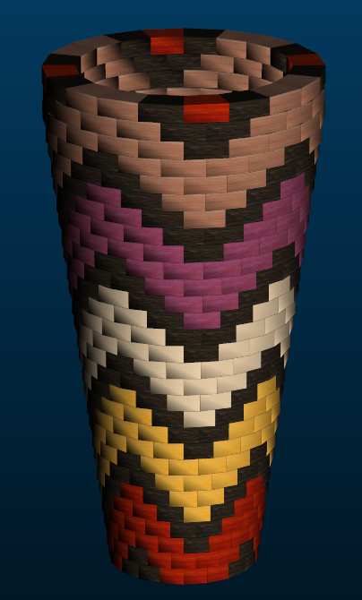
1 | .00 | .0 | .000 | 7.1"
2 | 3.21 | 15.5 | 1.163 | 7.3" | 0.9" |  |  | 8 | 6.1 | 12 | 9.2
3 | 3.14 | 16.5 | 1.201 | 7.6" | 1.3" |  |  | 4 | 3.2 | 16 | 13.2
4 | 3.06 | 17.4 | 1.235 | 7.8" | 1.7" |  |  | 4 | 3.4 | 16 | 13.9
5 | 2.98 | 18.4 | 1.270 | 8" | 2.1" |  |  | 8 | 7.3 | 12 | 11
6 | 2.92 | 19.3 | 1.305 | 8.2" | 2.4" |  |  | 8 | 7.6 | 8 | 7.6 |  |  |  |  | 4 | 3.8
7 | 2.85 | 20.2 | 1.343 | 8.5" | 2.8" |  |  | 8 | 8 | 4 | 3.9 |  |  |  |  | 8 | 8
8 | 2.78 | 21.2 | 1.378 | 8.7" | 3.2" |  |  | 8 | 8.4 |  |  |  |  |  |  | 12 | 12.6
9 | 2.70 | 22.1 | 1.413 | 8.9" | 3.6" |  |  | 4 | 4.3 |  |  |  |  |  |  | 16 | 17.7
10 | 2.62 | 23.0 | 1.448 | 9.1" | 3.9" |  |  | 4 | 4.5 |  |  |  |  |  |  | 16 | 18.4
11 | 2.56 | 24.0 | 1.486 | 9.4" | 4.3" |  |  | 8 | 9.5 |  |  |  |  |  |  | 12 | 14.4
12 | 2.49 | 24.9 | 1.520 | 9.6" | 4.7" | 4 | 4.9 | 8 | 9.9 |  |  |  |  |  |  | 8 | 9.9
13 | 2.41 | 25.9 | 1.555 | 9.8" | 5.1" | 8 | 10.3 | 8 | 10.3 |  |  |  |  |  |  | 4 | 5.1
14 | 2.33 | 26.8 | 1.590 | 10" | 5.4" | 12 | 16 | 8 | 10.7
15 | 2.27 | 27.7 | 1.625 | 10.3" | 5.8" | 16 | 22.2 | 4 | 5.4
16 | 2.20 | 28.7 | 1.663 | 10.5" | 6.2" | 16 | 22.9 | 4 | 5.6
17 | 2.12 | 29.6 | 1.698 | 10.7" | 6.6" | 12 | 17.7 | 8 | 11.8
18 | 2.04 | 30.6 | 1.733 | 10.9" | 6.9" | 8 | 12.2 | 8 | 12.2 |  |  | 4 | 6
19 | 1.97 | 31.5 | 1.768 | 11.2" | 7.3" | 4 | 6.2 | 8 | 12.5 |  |  | 8 | 12.5
20 | 1.91 | 32.5 | 1.806 | 11.4" | 7.7" |  |  | 8 | 12.9 |  |  | 12 | 19.4
21 | 1.83 | 33.4 | 1.840 | 11.6" | 8.1" |  |  | 4 | 6.6 |  |  | 16 | 26.7
22 | 1.76 | 34.3 | 1.875 | 11.8" | 8.4" |  |  | 4 | 6.8 |  |  | 16 | 27.4
23 | 1.68 | 35.3 | 1.910 | 12.1" | 8.8" |  |  | 8 | 14 |  |  | 12 | 21.1
24 | 1.62 | 36.2 | 1.948 | 12.3" | 9.2" |  |  | 8 | 14.4 |  |  | 8 | 14.4 | 4 | 7.1
25 | 1.54 | 37.2 | 1.983 | 12.5" | 9.6" |  |  | 8 | 14.8 |  |  | 4 | 7.3 | 8 | 14.8
26 | 1.47 | 38.1 | 2.018 | 12.7" | 9.9" |  |  | 8 | 15.2 |  |  |  |  | 12 | 22.8
27 | 1.40 | 39.1 | 2.056 | 13" | 10.3" |  |  | 4 | 7.7 |  |  |  |  | 16 | 31.2
28 | 1.33 | 40.0 | 2.091 | 13.2" | 10.7" |  |  | 4 | 7.9 |  |  |  |  | 16 | 32
29 | 1.35 | 40.0 | 2.091 | 13.2" | 10.6" |  |  | 8 | 15.9 |  |  |  |  | 12 | 23.9
30 | 1.54 | 39.3 | 2.091 | 13.2" | 10.2" |  |  | 8 | 15.7 | 4 | 7.8 |  |  | 8 | 15.7
30 |  |  |  |  |  | 80 | 112.4 | 192 | 272.6 | 72 | 66.6 | 80 | 134.8 | 76 | 147.5 | 80 | 89.9

